Schedule
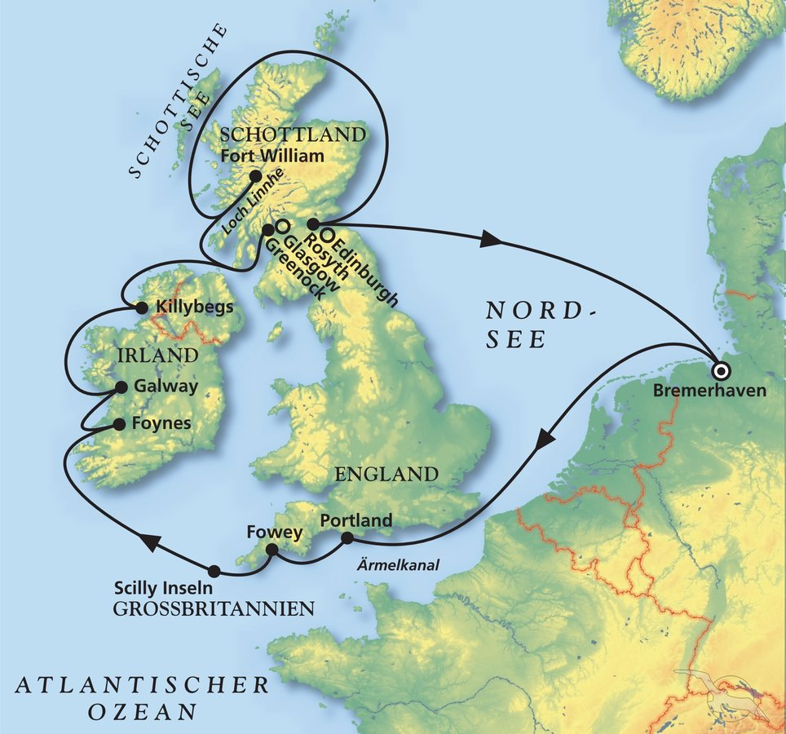
Rund um Großbritannien und Irland
AMR139 | 13 Tage | 01.08.2025 - 14.08.2025 |  |  |  |  |  |  | PAX: 778

D | Date | Day | A/B/C | STA | STD | Port | Port Code
1 | 1-Aug-25 | 2025-08-01 | B | 9:00:00 | 18:00:00 | Bremerhaven | DEBRV
2 | 2-Aug-25 | 2025-08-02 | C | - | - | At Sea | -
3 | 3-Aug-25 | 2025-08-03 | B | 8:00:00 | 20:00:00 | Portland | GBPTL
4 | 4-Aug-25 | 2025-08-04 | A | 8:00:00 | 18:00:00 | Fowey | GBFOY
4 | 5-Aug-25 | 2025-08-05 | B | 7:00:00 | 13:00:00 | St. Mary's, Isles of Scilly | GBISC
5 | 6-Aug-25 | 2025-08-06 | A | 12:00:00 | 21:00:00 | Foynes | IEFOV
6 | 7-Aug-25 | 2025-08-07 | A | 8:00:00 | 18:00:00 | Galway | IEGWY
7 | 8-Aug-25 | 2025-08-08 | B | 9:00:00 | 18:00:00 | Killybegs | IEKBS
8 | 9-Aug-25 | 2025-08-09 | B | 12:00:00 | 20:00:00 | Greenock (Glasgow) | GBGRK
9 | 10-Aug-25 | 2025-08-10 | A | 12:00:00 | 19:00:00 | Fort William | GBFWM
10 | 11-Aug-25 | 2025-08-11 | C | - | - | At Sea | -
11 | 12-Aug-25 | 2025-08-12 | B | 7:00:00 | 22:00:00 | Rosyth (Edinburgh) | GBROY
12 | 13-Aug-25 | 2025-08-13 | C | - | - | At sea | -
- | 14-Aug-25 | 2025-08-14 | B | 9:00:00 | - | Bremerhaven | DEBRV

